examples
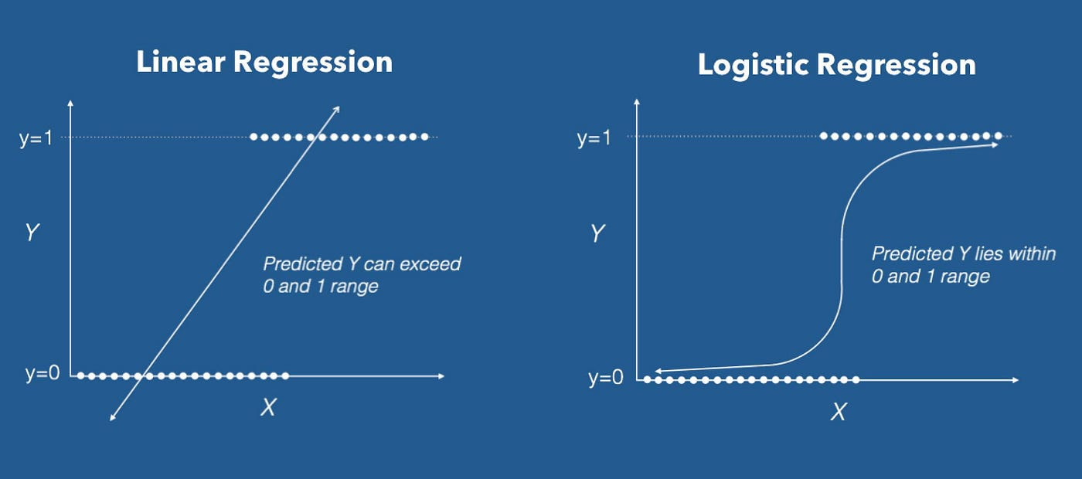
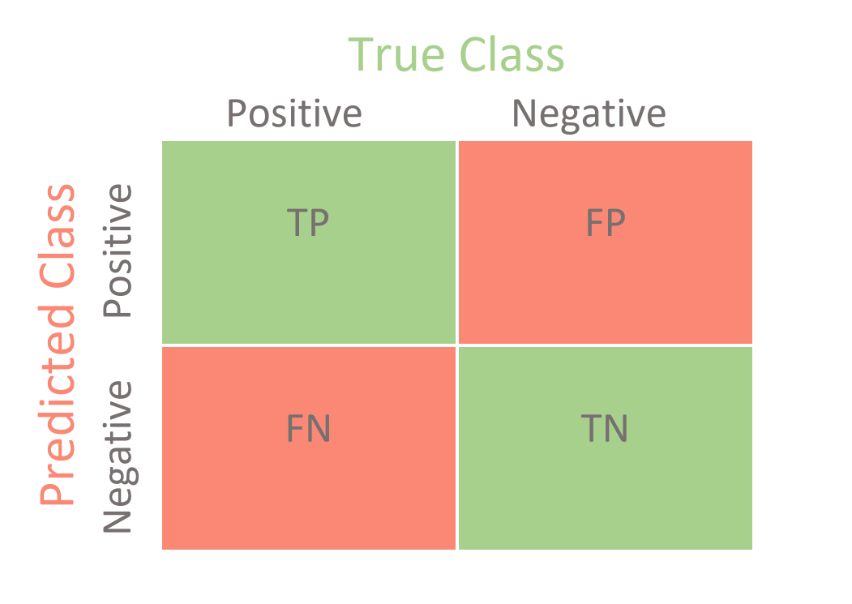
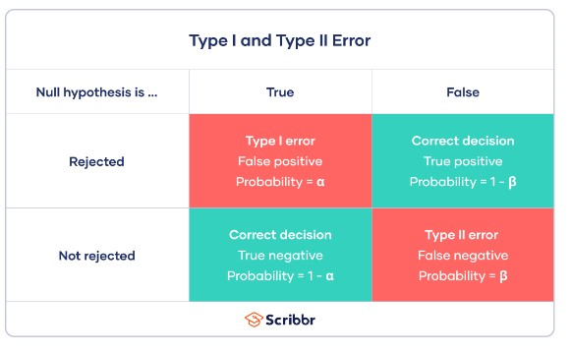
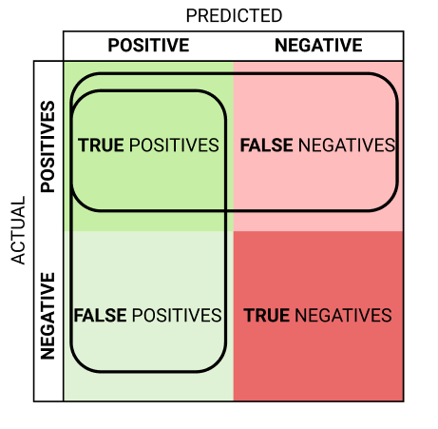
zero correlation |  | linear
 |  | great correlation

logistics regression | used for classifactions

Regression Model Scores
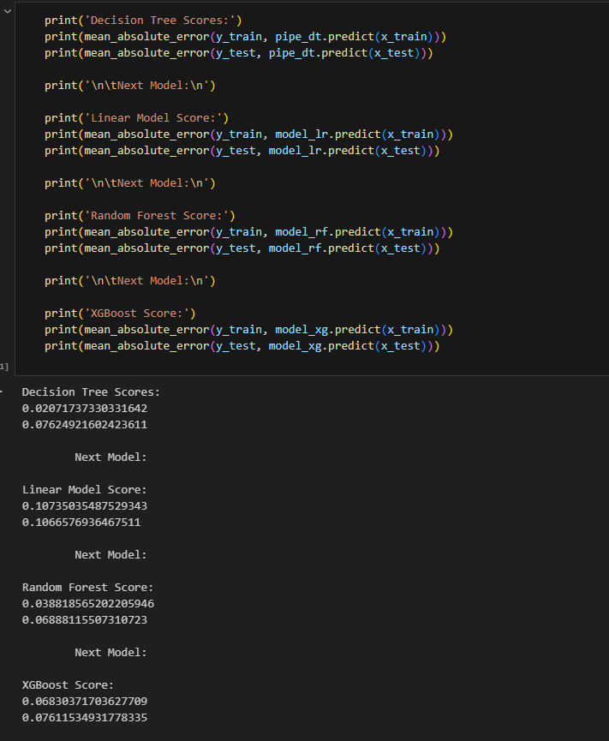

MAE | mean absolute error | Want a low MAE | = sum of each absolute value between the actual value y minus the predicted value of y
R2 | Overall assessment of model accuracy. The values range from 0 to 1, indicating a percentage of data that the model is correctly predicting. | Want a high R2 | = 1- (sum of squares)/residual sum of squares
MSE | Shows larg discrepencies in data

Baseline Score | for Regression, This is our models performance if I guessed the mean each time
R2, mean_squared_error, mean_absoute_error

Regression Steps
 | Steps: While using a pipeline

So we built out all these models and fit them to the datasets. Now what? Well, we need to check on the accuracy of these models and compare each to our baseline model to see if it is performing better or worse than the baseline! To do so, we will utilize a few different modules. Note that the measurements of accuracy differ between a Regression analysis and a Classification analysis. In regression, we will use:
* **mean absolute error(MAE)**: Calculated using the actual and predicted values. This measures the residuals of the model's predictions from the actual values and returns the mean value of those residuals
* **mean squared error(MSE)**:Along the same lines as MAE, however, MSE squares the predicted and actual value before subtraction and division, causing errors to be very obvious. MSE can show large numbers due to the amount of variance actually present within the model.
* **r2 score**: Overall assessment of model accuracy. The values range from 0 to 1, indicating a percentage of data that the model is correctly predicting.
Remember that there is no one sure-fire way to check a model's accuracy. The culmination of all these should be what affects our decision on a model, not the value of a singular metric!
1. Data Collection: | Gather data on various factors that could influence productivity. This might include variables such as the number of hours worked, number of breaks, experience of the employee, machine efficiency, etc.

2. Data Preprocessing: | Clean the data by handling missing values, outliers, and any inconsistencies.
 | Encode categorical variables if needed.
 | Scale or normalize numerical variables.

3. Exploratory Data Analysis (EDA): | Understand the distribution of your target variable (productivity) and the relationships between the features and the target.
 | Visualize key statistics and relationships using plots and graphs.

4. Feature Engineering: | Create new features that might be useful for predicting productivity.
 | Select relevant features that are likely to have a significant impact on productivity.

5. Splitting the Data: | Split your dataset into training and testing sets to evaluate the model's performance on unseen data. | Split Data Tab

6. Model Selection: | Choose a regression model suitable for your problem. Common choices include linear regression, decision trees, random forests, or gradient boosting algorithms.

7. Model Training: | Train your chosen model on the training data.
 | After we determine which model we want to use and will best fit our situation, we will want to tune the hyperparameters of that model. Hyperparameters refer to the parameters, or arguments, that each model takes. Each model has different parameters that can be tuned and each one has a level of significance to the final outcome of a model's prediction! Now, we could do this all by hand and input each of these values separately in the model, fit it, then check the metrics. However, there is an easier way to accomplish this task! By using the `RandomizedSearchCV` module, we will be able to parse over a parameter grid, or a dictionary where the key is the parameter and the value is all possible values you want to test the parameter at!

 |  |  | Ordinal encoder when you have | High cardinality | a lot of unique values
8. Model Evaluation: | Evaluate your model on the testing data using appropriate metrics (e.g., mean squared error, R-squared). |  |  | low cardinality | not a lot of unique values

9. Model Tuning: | If needed, fine-tune hyperparameters to improve model performance.

10. Prediction: | Use your trained model to make predictions on new data.

11. Deployment: | If the model performs well, consider deploying it for use in predicting productivity. |  | pipeline | septic system
 |  |  | estimator | hole in the floor

Sheet7
# Formatted to show all rows of data
pd.set_option('display.max_rows', None)
# Verify types
df.dtypes
# # Analyze data set
df.describe()
df
# # Changed all column headers to snake_case
# df.columns = df.columns = df.columns.str.lower().str.replace(' ', '_').str.strip()
# Viewed Null values
df.isnull().sum()
# Changing 2 null values in age to the mean of column 'age'
mean_value=df['age'].mean()
# mean_value == 3.833333
df['age'].fillna(value=mean_value, inplace=True)
# Verified Nulls removed
df.isnull().sum()

tests
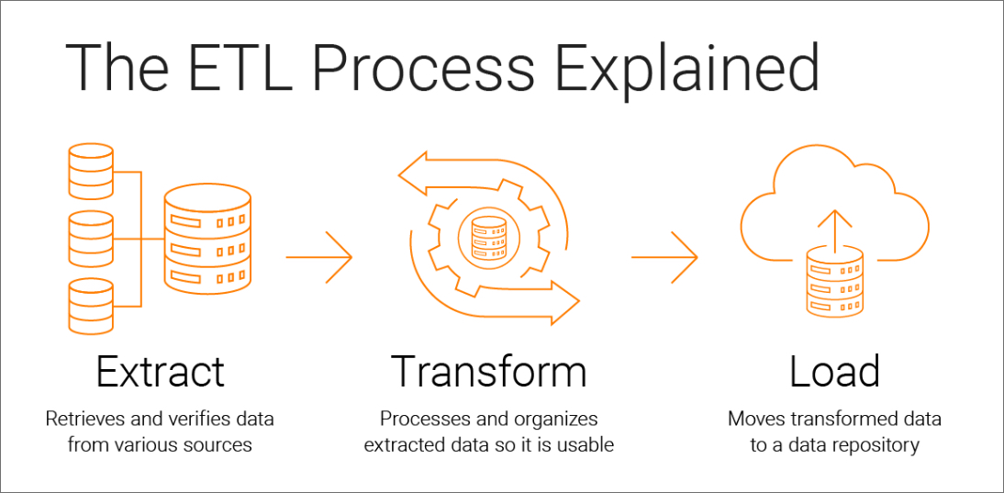
ETL Pipelines | Extract -. Transform -> Load | python script is a python file

Split data
while using a pipeline
# Identify target vector
target = 'species'
# Separate target vector from feature matrix
X = df_class.drop(columns=target)
y = df_class[target]
# Split the data
x_train, x_test, y_train, y_test = train_test_split(X,y, train_size=0.8)
# Assert statement to check split
assert len(x_train) + len(x_test) == len(X), 'Data did not properly split'

Without a pipeline
# Step 1: Identify the target vector
# Step 2: Separate the target vector from the feature matrix
X = df.drop(columns='pop')
y = df['pop']
# Step 3: Split the data into a training and testing set, using sklearn
X_train, X_test, y_train, y_test = train_test_split(X,y, train_size=.8, random_state=42)
# View our testing data
display(X_test)
print(y_test)
# Assert statement to double-check our work:
assert len(X_train) + len(X_test) == len(X), 'You did not separate the data properly'
Baseline calculation for classifaction data (Logistic Regression) df['pop'].value_counts(normalize = True)

